Feuille 1
This chart is dedicated to the sprint planning

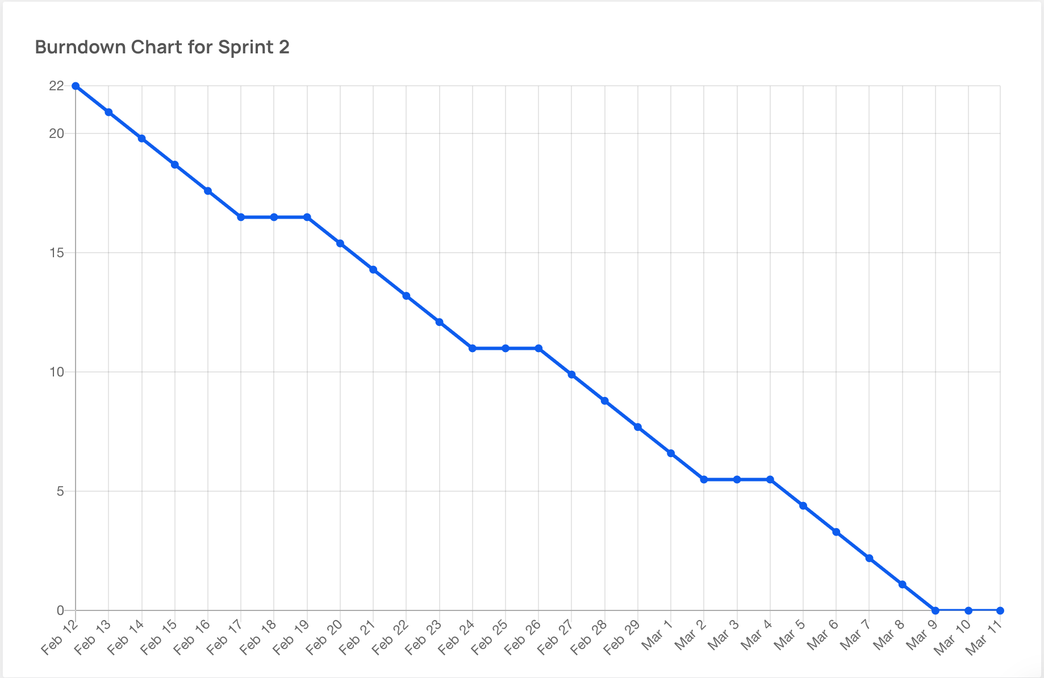
Sprint 2
Issue # | User Story Title/Task Title | Description/Associated Tasks | Difficulty Level (0,1,2,3,5,8) | Priority | Risk | Assign | Sprint
#2 | As a system administrator, I want to create a new user | - Create UI for viewing and managing clients #44 - BackEnd Functionality to create new users #52 | 3- This is an imperative part of the functional requirement we need to ensure functionality and consistency | High | Low Risk- this is a low risk High value functional requirement | Benjamin Ho, Ikram Kamal | Sprint 2
#11 | As a system administrator, I want to create a new vehicle posting so that I can provide other users vehicles to rent | -Design functional MongoDB database schema for Vehicle information #58 - Create UI for viewing and modelling process #35 -Implement a validation logic for vehicle details #41 - Test the creation functionality to ensure proper creation #59 | 3- This is imperative since it is necessary for the product we are renting on our platform, and alot of details are involved for a vehicle so we need adequate time to work on this, we would also need to integrate both front endand backend for this task. | High | Low Risk- This is a low risk High value functional requirement | Uyi Oronsaye, Ikram Kamal | Sprint 2
#28 | As a system administrator, I want to be able to create new reservations in the system for customers | -Design and implement frontend reservation creation form #29 -Implement validation logic for form fields -Develop backend API endpoint for creating reservations -Update frontend to display confirmation message upon successful reservation creation | 3- This is imperative since it is necessary feature for our users. ease of use. | High | Low Risk- This is a low risk High value functional requirement | Samuel Henderson, Ikram Kamal | Sprint 2
#18 | As a client, I want to be able to access the vehicle catalog from homepage | -Create a "Catalog" link on the navigation bar #73 | 1- Provides good UX, and increases intuitiveness, and ease of access. | Low | Low Risk- This is a low risk High value functional requirement | Ikram Kamal | Sprint 2
#19 | As a client, I want to view the vehicle catalog | -Design UI for catalog | 3- Implement a good UI. Necessary feature to visualize the available vehicles | High | Low Risk- This is a low risk, Low value Not explicitly mentioned in our FRs | Hanine Tydrini | Sprint 2
#80 | As a client, I want to be able to select a vehicle on the catalog | -Redirect user to a new page when vehicle is selected #81 -Design UI for Vehicle pages #82 | 3- Implement a good UI. Necessary feature to visualize the available vehicles | High | Low Risk- Low Risk, low value | Hanine Tydrini | Sprint 2
#12 | As a customer, I want to be able to view my reservation so that I can edit user account details | - Design UI for a "My Reservations page" page #84 - Fetch data from database to display in UI #85 - Test functionality of search up | 3- Being able to dynamically edit reservation details is imperative | Medium | High RIsk | Hanine Tydrini, Yasmine Mouatif | Sprint 2
#78 | As a system administrator, I want to delete users, so that I can remove them from the system | -Design Ui for removing/modifying a user #103 -Backend functionality to delete a user #79 | 2 - This is imperative since it is a necessary feature to manage users. Research needed to properly implement API endpoint. | Medium | High RIsk | Benjamin Ho, Ikram Kamal | Sprint 2
#77 | As a system administrator, I want to Update information in the system so that I edit user accounts details | -Design UI for removing / modifying a user #103 - Backend functionality to update users #83 | 3 - This is imperative since it is a necessary feature to manage users. Research needed to properly implement API endpoint. | High | Low Risk- this is a low risk High value functional requirement | Benjamin Ho, Ikram Kamal | Sprint 2
#69 | As a customer, I want to delete my reservation so that I can cancel my plans | -Design UI for Delete Reservation Confirmation Popup #89 -Delete reservation from database #90 | 3- It's imperative to the overall flexibility of our plateform in accomodating users. | High | Low Risk- this is a low risk High value functional requirement | Yasmine Mouatif | Sprint 2
#57 | As a system Administrator, I shall be able to delete a specific vehicle from our system so that unavailable postings are not displayed | -Create UI search features to find vehicles via Unique ID #60 -Create a UI for viewing, and modelling process #35 - BackEnd functionality to delete a specific vehicle #66 -Implement verification process to give SA cancel a deletion #67 | 3- This is imperative for the success of our application as it is one of the core features. we would also need to integrate both front end and backend for this task. | High | Low Risk- this is a low risk High value functional requirement | Uyi Oronsaye, Ikram Kamal | Sprint 2
#56 | As a system Administrator, I shall be able to update details on a specific vehicle so that the details on vehicles are accurate | -BackEnd Functionality to update vehicle details #63 -Create a UI for viewing, and modelling process #35 -Implement validation logic for updated vehicle details #64 | 3- This is imperative for the success of our application as it is one of the core features. we would also need to integrate both front end and backend for this task. | High | Low Risk- this is a low risk High value functional requirement | Uyi Oronsaye, Ikram Kamal | Sprint 2
#55 | As a system Administrator, I shall have view privileges on details on a specific vehicle so that i can verify our postings | -Create UI search features to find vehicles via Unique ID #60 -Backend functionality to retrieve vehicle data associated with the unique ID #61 - Create a UI for viewing, and modelling process #35 | 2- This is imperative for the success of our application as it is one of the core features. | High | Low Risk- this is a low risk High value functional requirement | Uyi Oronsaye, Ikram Kamal | Sprint 2
#53 | As a customer, I want to modify my reservation so that I can change it's details | -Design UI for editable mode #87 -Update data in database upon modifications #88 | 3- It's imperative to the overall flexibility of our plateform in accomodating users. | High | Low Risk- this is a low risk High value functional requirement | Hanine Tydrini | Sprint 2
#51 | As a system administrator, I want to READ user's information in the system so that I can verify user accounts | -Design UI for viewing users #44 -Backend functionality to read the details of users #54 | 3- This is imperative since it is a necessary feature to manage users. Research needed to properly implement API endpoint. | High | Low Risk- this is a low risk High value functional requirement | Benjamin Ho, Ikram Kamal | Sprint 2
#32 | As a system administrator, I want to be able to cancel existing reservations in the system. | -Implement frontend option to cancel reservations. - Develop backend API endpoint for canceling reservations. -Update reservation status in the backend upon cancellation. -Ensure canceled reservations are excluded from active reservations list. | 3 - This is imperative since it is a necessary feature for our users. ease of use. Research needed to properly develop backend API endpoint | High | Low Risk- this is a low risk High value functional requirement | Samuel Henderson, Ikram Kamal | Sprint 2
#31 | As a system administrator, I want to be able to modify existing reservations in the system. | -Implement frontend option to edit reservations. -Develop backend API endpoint for updating reservations. -Design and implement reservation modification form. -Handle form submission and update reservation data in the backend. | 3 - This is imperative since it is a necessary feature for our users. ease of use. Research needed to properly develop backend API endpoint | High | Low Risk- this is a low risk High value functional requirement | Samuel Henderson, Ikram Kamal | Sprint 2
#30 | As a system administrator, I want to be able to view all existing reservations in the system. | -Design and implement frontend reservations list page. -Develop backend API endpoint for fetching reservations. -Implement filtering and search functionality in frontend. -Add scrolling feature to handle large lists of reservations. | 3 - This is imperative since it is a necessary feature for our users. ease of use. Research needed to properly develop backend API endpoint | High | Low Risk- this is a low risk High value functional requirement | Samuel Henderson, Ikram Kamal | Sprint 2
#27 | As a customer, I want to see a reservation summary and confirmation of my booking | -Set up the UI to display a reservation confirmation for the user after he has selected all options and details. #97 -Give the user options once he has selected confirm my booking #98 | 3- Creating and modifying reservations is the most difficult part. Once the reservation system is already developped, displaying the information to the user will only consist of a fetch operation from the database, and the corresponding UI design. | Medium | Low Risk- this is a low risk High value functional requirement | Hanine Tydrini | Sprint 2
#26 | As a customer, I want to have the option to add extra equipment | -Set up UI Set up UI to allow user to add extra equipment to his reservation for an extra cost #95 -Set up the logic to calculate and display the extra cost whenever a user selects extra equipment to add to the reservation. #96 | 3- It's imperative to be able to add extra equipment, but also to calculate the relating change of cost for the reservation dynamically. | High | Low Risk- this is a low risk High value functional requirement | Hanine Tydrini, | Sprint 2
#24 | As a customer, I want to see available fetch vehicles that correspond to the criteria I gave in my reservation form | -Fetch corresponding vehicles from database #93 - Display corresponding vehicles from database #94 | 4- Implementing good UI + fetching the corresponding data from the catalog of vehicles in the database, while applying the propefr filters correspondoing to the user's criteria | High | Low Risk- this is a low risk High value functional requirement | Hanine Tydrini, Yasmine Mouatif | Sprint 2
#23 | As a customer, I want to be able to fill a reservation form for my booking | -Create UI for user reservation form #91 -Handle user input validation and form submission #92 | 2 Implementing good UI is imperative, first impression of the user on our website. | High | Low Risk- this is a low risk High value functional requirement | yasmine Mouatif | Sprint 2
#20 | As a client, I want to be able to sort vehicles on the catalog page | -Create "Sort" button on Catalog page to sort vehicles based on different criteria #76 | 2- 3- Implement a good UI. Necessary feature to sort the available vehicles | High | Low Risk- this is a low risk High value functional requirement | Hanine Tydrini | Sprint 2

